Critical Equipment
Critical equipment required

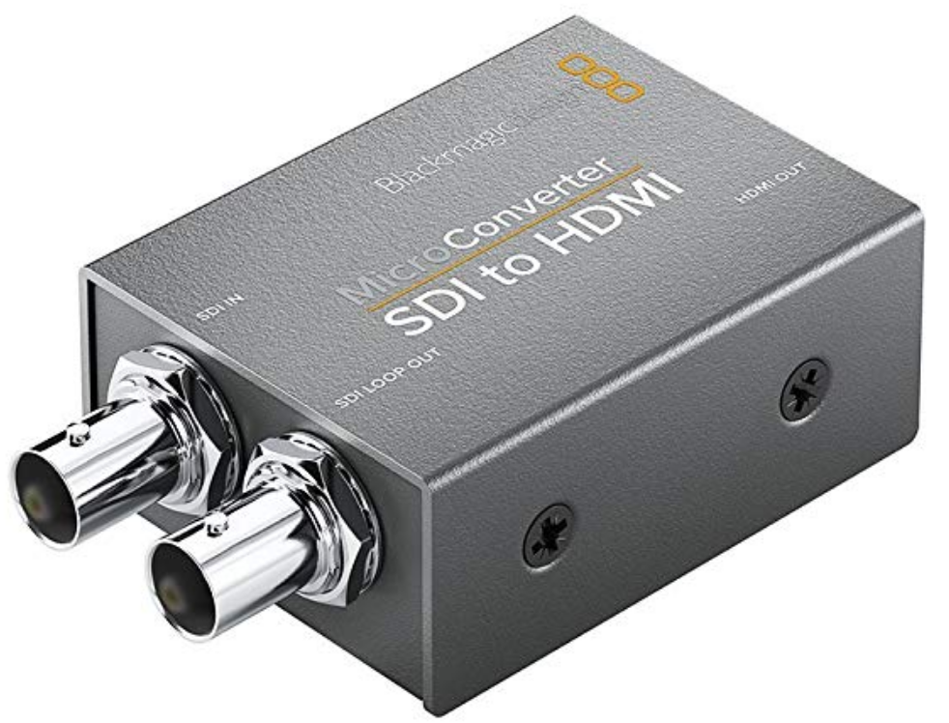
Product | qty | unit price | total

SDI to HDMI Convertor | 1 | 200 | 200

50m SDI video cables | 3 | 150 | 450

Comms head gear | 4 | 150 | 600

Tripods | 3 | 750 | 2250

Laptops | 2 | 0 | 0

TOTAL |  |  | 3500

Notes

